Sheet1
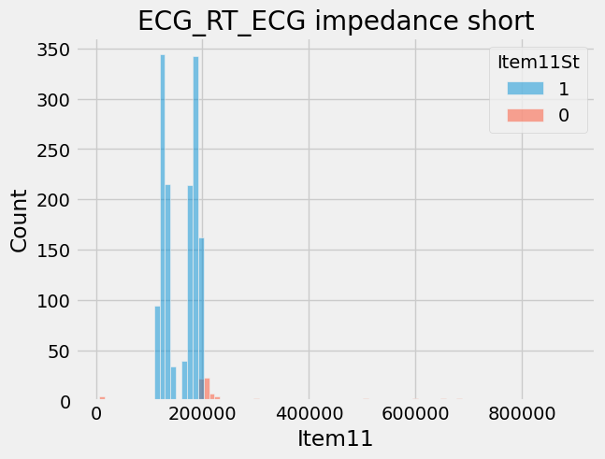
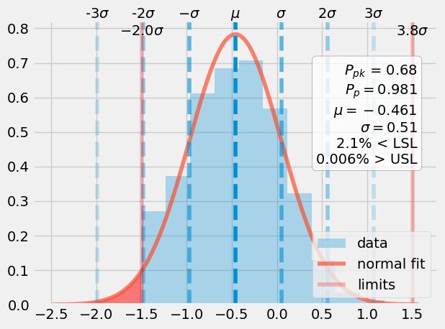
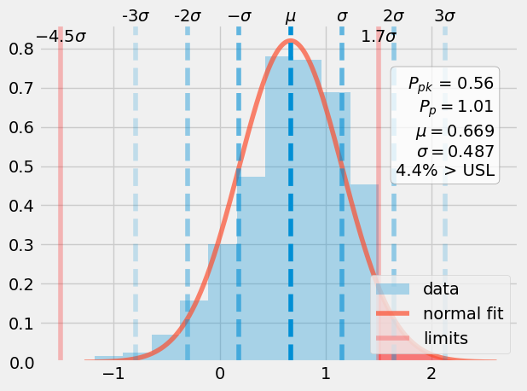
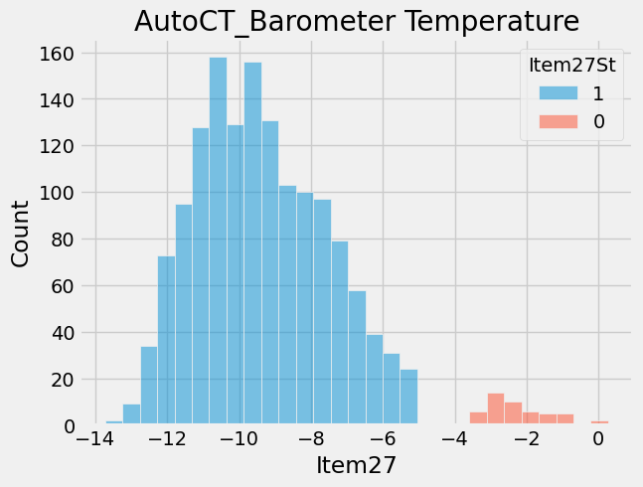
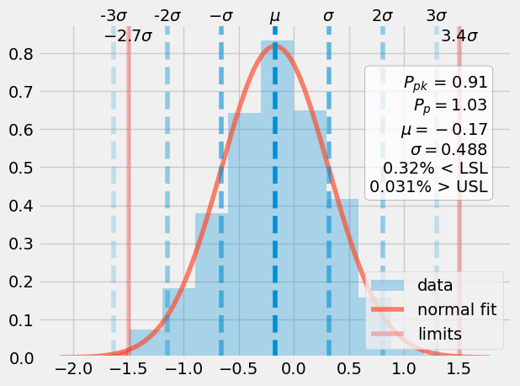
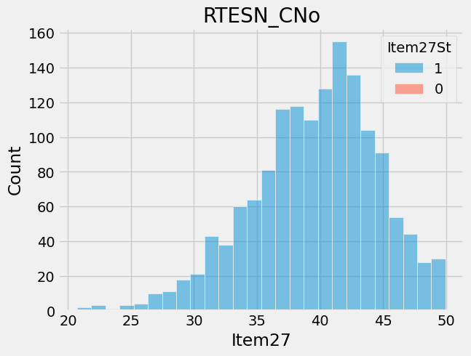
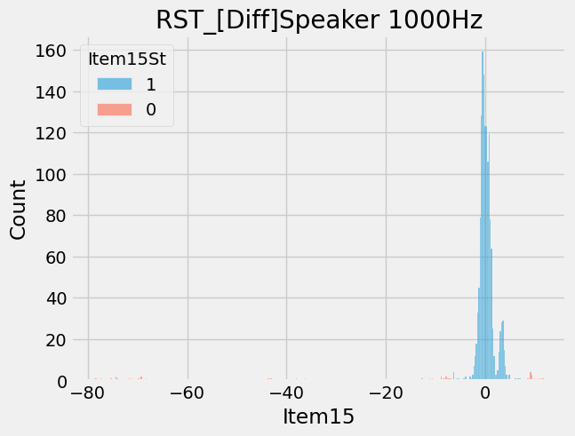
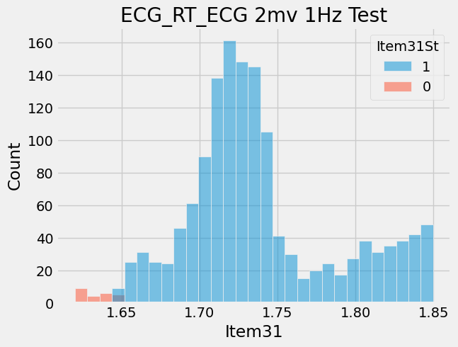
ItemNameType | ProcessType | Item | ItemName | CountCountESN | Retest | CountESN
16579 | Venu3S_AutoHT | 42 | GPS_ (L1 only) by ref | 15/1393 | 1.08 | 1393
16578 | Venu3S_AutoCT | 46 | GPS_ (L1 only) by ref | 13/1399 | 0.93 | 1399
16585 | Venu3S_AutoFT1 | 89 | GPS_ (L1 only) by ref_BL1 | 9/1332 | 0.68 | 1332

